Ajustada
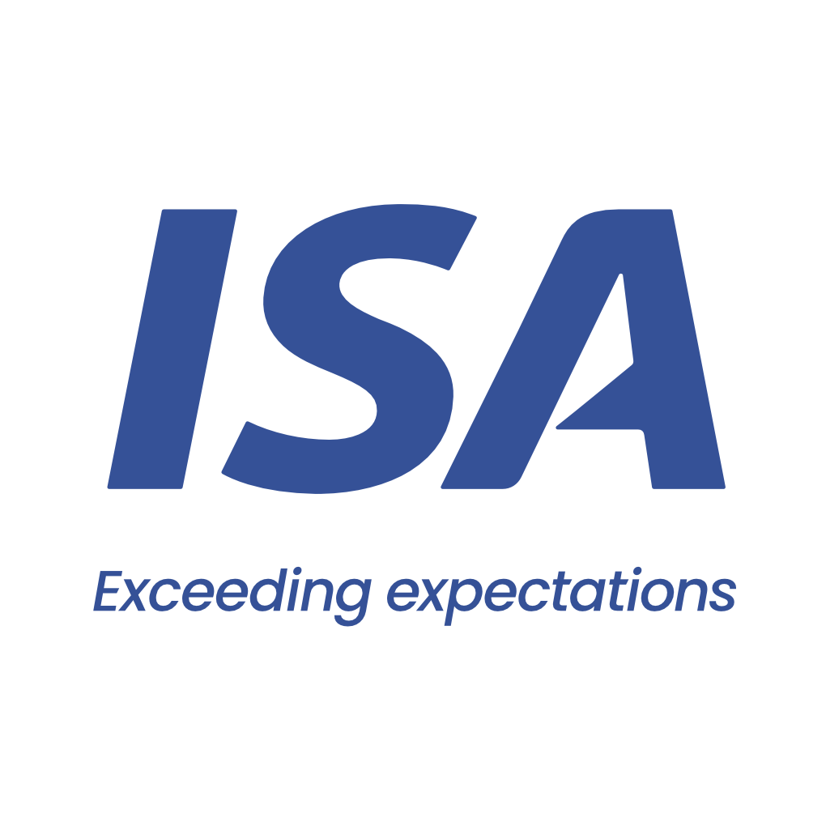

 |  | From 15-03-26 to 17-03-26
 | Initial | Close to Real
VESSEL | FRIEDRICH SCHULTE | FRIEDRICH SCHULTE
PORT | SAN LORENZO | SAN LORENZO
BERTH | ADM - EL TRANSITO | ADM AGRO
PERMANENCY | 2 days | 3 days
CURRENCY | USD | USD
ITEM | AMOUNT | AMOUNT
Port dues | 9,650 | 15,171 | Comentarios:
Entrance and light dues | 923 | 958 | Entrada en Dock Sud
Toll dues | 47,557 | 50,058 | Port Dues base 3 días
River plate pilotage | 21,689 | 21,214 | Plate sale con Virado de anclas
River plate pilotage anchorage maneuver | 1,512 | 1,512 | Paraná entra con Fondeo
River parana pilotage | 43,249 | 42,292 | Paraná sale con Fondeo por búnkers
River parana pilotage anchorage maneuver | 3,024 | 3,024 | Port entra con Zarpada de rada y 1h de demora
Port pilotage | 10,676 | 12,188 | Port sale con Giro y 3hs de demora
Port pilotage delay |  | 600 | Diferencia con Advance usd 55.000
Launch services for clearence at roads | 750 | 1,500
Mooring & unmooring services | 4,500 | 4,500
Custom house expenses |  | 200
Migration expenses - outward | 1,250 | 1,300
Garbage compulsory inspection |  | 4
Mandatory holds inspection at roads | 1,500 | 1,639
Headclerk compulsory services | 3,400 | 2,658
Tax on credit/debit law 25.413 | 1,796 | 1,906
Agency fee | 3,000 | 3,000

TOTAL | 154,476 | 163,724

Our bank account
CITIBANK NA, NY BRANCH 111 WALL STREET / NEW YORK, 10043
ABA: 21000089 / SWIFT: CITIUS33 / ACCOUNT NO:36404074
BENEFICIARY: Independent Ship Agents SA
In order to avoid double income taxation on gross freight, which is equivalent to aproximate 3.5 pct, you must provide us with a tax affidavit. Please let us know if you need assitance on this.

Please note that this is a pro-forma disbursement account only. It is intended to be an estimate of the actual disbursement account and is for guidance purposes only. Whilst does take every care to ensure that the figures and information contained in the pro-forma disbursement account are as accurate as possible, the actual disbursement account may, and often does, for various reasons beyond our control, vary from the pro-forma disbursement account. You are required and liable to pay upon demand, the full amount described and shown in the actual disbursement account. This duty exists regardless of any difference betweeen the figures in this pro-forma disbursement account and the actual disbursement account. For the avoidance of doubt, this pro-forma disbursement account is not a contractual document.

